Sheet1
2016 Tony Awards® Winners |  | 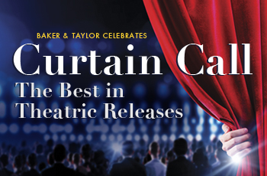
Author/Artist | Product Title | Product Code | UPC | Isbn 13 | BT Key | MSRP | Genre Code | Release Date | 2016 TONY AWARD
Original Broadway Cast | The Color Purple (OCR) | CD | 888295375276 | 9786316382986 | 6004615807 | $18.98 | CAST | 2/19/16 | Best Leading Actress in a Musical (Cynthia Erivo), Best Revival of a Musical
Original Broadway Cast | Hamilton (OCR) (PA) | CD | 75678668432 | 9786316240439 | 6004601557 | $27.98 | CAST | 10/16/15 | Best New Musical, Best Leading Actor in a Musical (Leslie Odom Jr.), Best Direction of a Musical, Best Original Score, Best Featured Actor in a Musical (Daveed Diggs), Best Featured Actress in a Musical (Renee Elise Goldsberry), Best Orchestration, Best Choreography, Best Costume Design, Best Book, Best Lighting
Original Broadway Cast | Hamilton (OCR) | LP | 75678666919 | 9786316466891 | 6004624192 | $79.98 | CAST | 4/15/16

